Tabelle1
FUTURO BOATS ZX 25

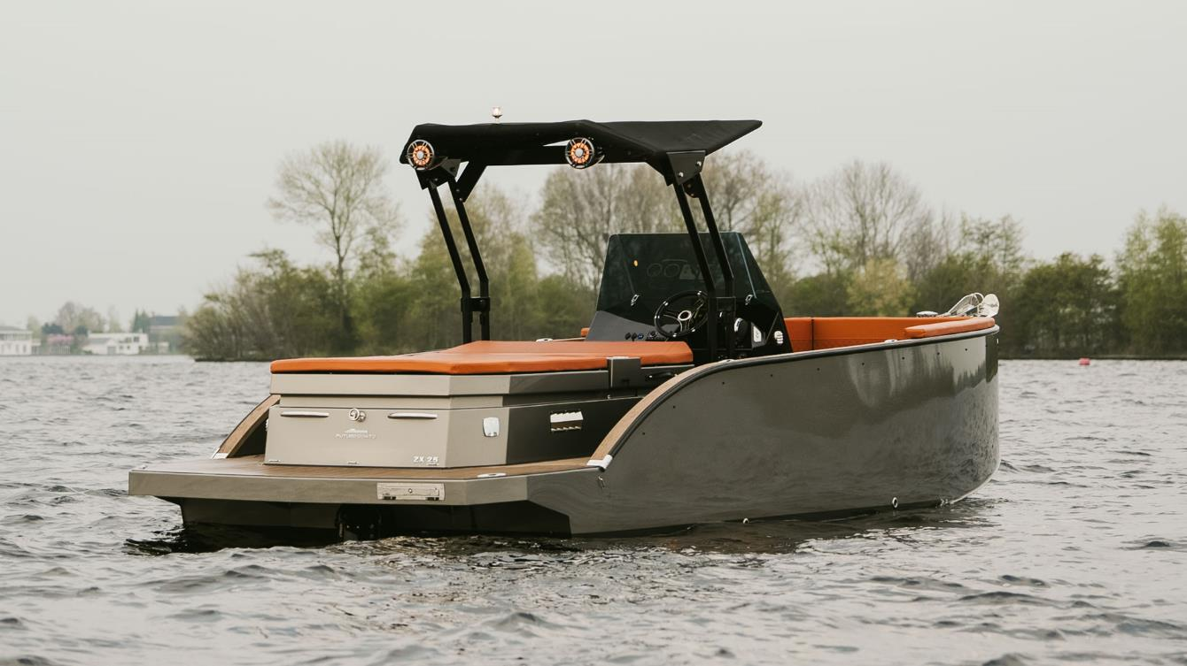

PRICE LIST 2025

FUTURO BOATS ZX 25

Parameters:

Hull length: | 7.72 m
Hull width: | 2.50 m
Weight: | approx. 2000 kg
Draft: | approx. 0.3 m
Maxiumum Crew: | 10 Persons
CE-Category: | C

STANDARD EQUIPMENT
Steering wheel
Hydraulic steering
Instrumental panel
Horn
Navigation lights
12 V and USB-socket on console
Fuel tank 210 l
Battery
Automatic bilge pump
Seats and back cushions
Storage space under seats
Gas springs
8 x stainless steel cleats
Towing eye
Extendable safety hoook & Oar
Fire extinguisher 2kg
3 x cup holders
Varnishing
Buoyancy foam
Box for anchor
Deck lights
Front windshield
Fresh water tank 64 l
WC and sink
4 x cup holders at sundeck

 |  |  |  |  | TRUE

 |  |  |  |  | FALSE

 |  |  |  |  | TRUE
 |  |  |  |  | TRUE

FUTURO BOATS ZX 25

Futuro with Volvo Penta Innerboard Engine |  | Price without tax | OPTION | Selection
Volvo Penta V6 200 PS DPS Cat Duo Prop * |  | 120,571 € |  | 0 € | FALSE
Volvo Penta V6 250 PS DPS EVC Cat Duo Prop * |  | 124,571 € |  | 0 € | FALSE
Volvo Penta V6 280 PS DPS EVC Cat Duo Prop * |  | 126,571 € |  | 0 € | FALSE
* with approval for the lake constance
FUTURO BOATS ZX 25 |  |  |  |  | TRUE

further options |  | Price without tax | OPTION | Selection
Flexi-Teak |  | 7,100 € |  | 0 € | FALSE
Bimini, front and back |  | 2,590 € |  | 0 € | FALSE
Table, pneumatic |  | 1,700 € |  | 0 € | FALSE
Extended front sundeck |  | 690 € |  | 0 € | FALSE
Foil exterior side |  | 2,800 € |  | 0 € | FALSE
Swimming ladder |  | 1,450 € |  | 0 € | FALSE
Electric toilet |  | 2,050 € |  | 0 € | FALSE
Side fenders |  | 1,940 € |  | 0 € | FALSE
Anchor and line |  | 480 € |  | 0 € | FALSE
Audio System FUSION |  | 1,830 € |  | 0 € | FALSE
Audio System PREMIUM |  | 4,390 € |  | 0 € | FALSE
Refrigerator 20l |  | 1,830 € |  | 0 € | FALSE
Antyfouling |  | 1,790 € |  | 0 € | FALSE
Underwater lights (white) |  | 980 € |  | 0 € | FALSE
Underwater lights (multicolor) |  | 1,700 € |  | 0 € | FALSE
Waterski Pylon |  | 300 € |  | 0 € | FALSE
Shore connection / charger |  | 1,600 € |  | 0 € | FALSE
Hardtop |  | 2,980 € |  | 0 € | FALSE
Foldable T-Top |  | 5,250 € |  | 0 € | FALSE
Metallic painting |  | 4,000 € |  | 0 € | FALSE
Shower |  | 990 € |  | 0 € | FALSE
Bow trhuster |  | 4,890 € |  | 0 € | FALSE
Electic anchor winch |  | 3,890 € |  | 0 € | FALSE
Plotter 9" |  | 3,700 € |  | 0 € | FALSE
Plotter 12" |  | 5,300 € |  | 0 € | FALSE
Boat Cover |  | 2,690 € |  | 0 € | FALSE
Retail price excl. Tax, ex stock Hilzingen |  |  |  | 0 €

Recommended retail price, delivery ex works. Subject to errors and alterations. Valid until 30.06.2025
Our terms and conditions apply.
MIZU GmbH - Weidgang 8-14 - 78247 Hilzingen - www.mizu-marine.de

