Tabelle1
FUTURO BOATS ZX 22
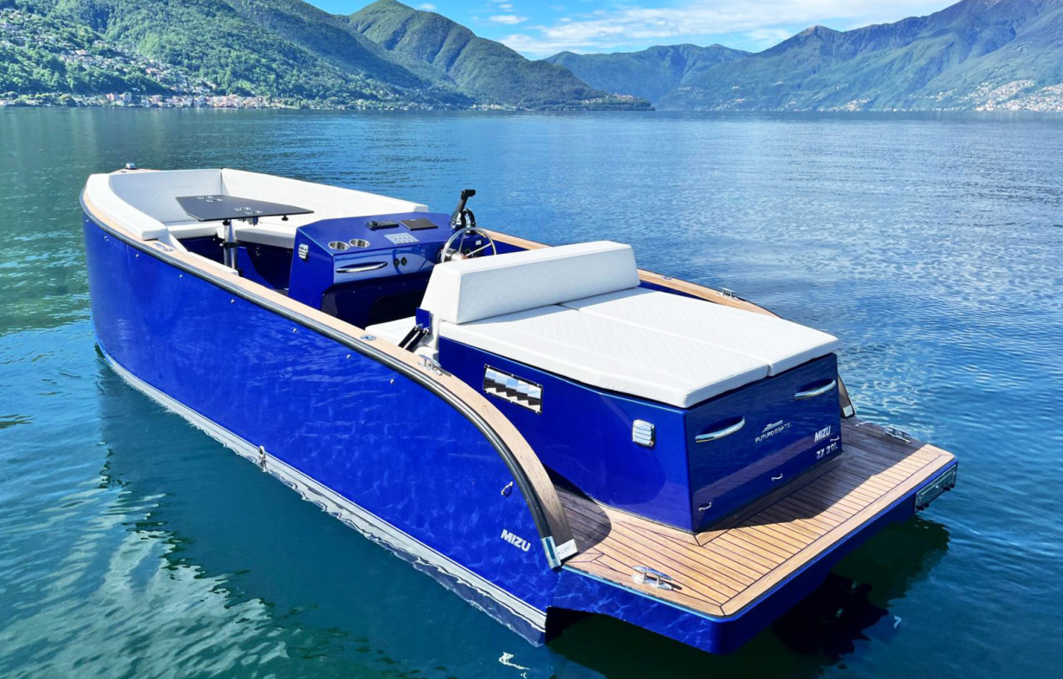

PRICE LIST 2026

FUTURO BOATS ZX 22

TECHNICAL DATA:

Hull length: | 6.6 m |  | Maximal HP: | 250
Width: | 2.00 m |  | Material: | Aluminum
Weight: | approx. 1200 kg
Draft min/max: | approx. 0.2 m
Max. allowed crew: | 8 Persons
Design Category: | C

STANDARD EQUIPMENT
Steering wheel
Hydraulic steering
Instrumental panel
Horn
Navigation lights
12 V and USB Socket on console
Fuel tank 210 l
Battery
Automatic bilge pump
Cushions
Storage space under seats
Gas springs
8 x stainless stells cleats
Towing eye
Extendable safety hook & oar
Fire extinguisher, 2 kg or fire extinguishing system
3 x Hatch
6 x Cup holders
Painting
Buoyancy foam
Anchor box
Deck lights
Ventilation grid
Acoustic insulation of the motor (Innerboard Version)

FUTURO BOATS ZX 22

Futuro with Volvo Penta Innerboarder |  | Price without Tax | OPTION | Selection
V6 200 PS SX CAT * | One Prop | 91,153 € |  | 0 € | FALSE
V6 250 PS SX EVC CAT * | One Prop | 95,053 € |  | 0 € | FALSE
V6 200 PS DPS CAT * | Duo Prop | 93,153 € |  | 0 € | FALSE
V6 250 PS DPS EVC CAT * | Duo Prop | 95,053 € |  | 0 € | FALSE
* with lake constance approval
FUTURO BOATS ZX 22

Additional equipment |  | Price without Tax | OPTION | Selection
Flexi Teak |  | 6,021 € |  | 0 € | FALSE
Bimini, front and back |  | 2,400 € |  | 0 € | FALSE
Table, pneumatic |  | 1,700 € |  | 0 € | FALSE
Extended front sundeck |  | 690 € |  | 0 € | FALSE
Surcharge foil exterior side |  | 2,700 € |  | 0 € | FALSE
Swimming ladder |  | 1,451 € |  | 0 € | FALSE
Anchor 8 kg, 40 m line |  | 480 € |  | 0 € | FALSE
Audio System Fusion (Radio) |  | 1,831 € |  | 0 € | FALSE
Refrigerator |  | 1,831 € |  | 0 € | FALSE
Antifouling |  | 2,940 € |  | 0 € | FALSE
Underwater lights (white) |  | 980 € |  | 0 € | FALSE
Underwater lights (multicolor) |  | 1,700 € |  | 0 € | FALSE
Shore connection / charger |  | 1,600 € |  | 0 € | FALSE
Bow thruster |  | 3,500 € |  | 0 € | FALSE
Waterski Pylon (Futuro) |  | 300 € |  | 0 € | FALSE
Convertible boat cover |  | 2,600 € |  | 0 € | FALSE
Boat cover |  | 2,200 € |  | 0 € | FALSE
Plotter 7" |  | 2,551 € |  | 0 € | FALSE
Hardtop |  | 3,251 € |  | 0 € | FALSE
Metallic Painting |  | 3,400 € |  | 0 € | FALSE
Front windshield |  | 960 € |  | 0 € | FALSE
Doors |  | 691 € |  | 0 € | FALSE
Retail Price without Tax, ex works in Hilzingen |  |  |  | 0 € | FALSE

Recommended retail price, delivery ex works. Subject to errors and changes. Valid until 31.01.2026
Our general terms and conditions apply.
MIZU GmbH - Weidgang 8-14 - 78247 Hilzingen - www.mizu-marine.de

