Tabelle1
FUTURO BOATS ZX 20

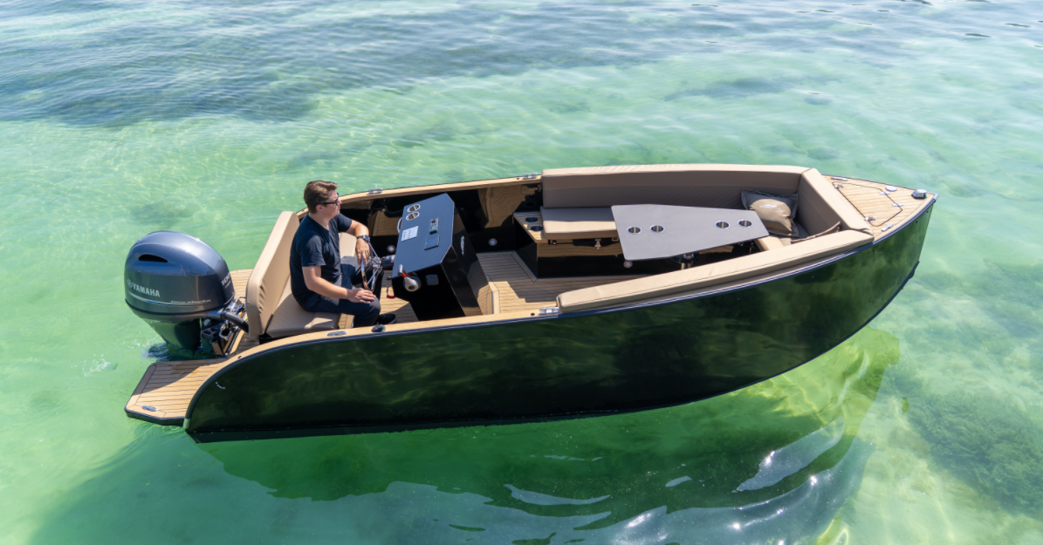

PRICE LIST 2026

FUTURO BOATS ZX 20

TECHNICAL DATA

Hull length: | 5.5 m
Width: | 2.00 m
Weight: | approx. 700 kg
Draft min/max: | approx. 0.2 m
Max. allowed Crew: | 8 Persons
Design Category: | C

STANDARD EQUIPMENT
Steering wheel
Hydraulic steering
Instrumental panel
Horn
Navigation lights
12 V and USB-socket on console
Fuel tank 69 l
Battery
Automatic bilge pump
Seats and back cushions
Storage space under seats
Gas springs
8 x Stainless steel cleats
Towing eye
Extendable safety hook & oar
Fire extinguisher, 2 kg
3 x Hatches
6 x Cup holders
Lackierung
Buoyancy foam
Anchor box
Deck lights

FUTURO BOATS ZX 20

Futuro |  | Price without Tax | OPTION | Selection
Without engine |  | 40,553 € |  | 0 € | FALSE

Futuro with Yamaha Outboard Engine |  | Price without Tax | OPTION | Selection
Yamaha Outboard Engine 15 PS F15 CEPL * |  | 47,030 € |  | 0 € | FALSE
Yamaha Outboard Engine 40 PS F40 FET * |  | 49,719 € |  | 0 € | FALSE
Yamaha Outboard Engine 50 PS F50 HETL * |  | 50,538 € |  | 0 € | FALSE
Yamaha Outboard Engine 60 PS F60 FETL * |  | 51,605 € |  | 0 € | FALSE
Yamaha Outboard Engine 70 PS F70 AET * |  | 53,350 € |  | 0 € | FALSE
Yamaha Outboard Engine 80 PS F80 LB/XB * |  | 54,084 € |  | 0 € | FALSE
Yamaha Outboard Engine 90 PS VF90 L/XA * |  | 55,294 € |  | 0 € | FALSE
Yamaha Outboard Engine 100 PS F100 LB/XB * |  | 55,597 € |  | 0 € | FALSE
Yamaha Outboard Engine 115 PS F115 LB/XB |  | 57,551 € |  | 0 € | FALSE
Yamaha Outboard Engine 115 PS VF115 L/XA |  | 58,467 € |  | 0 € | FALSE
* with lake constance approval
FUTURO BOATS ZX 20

Additional equipment |  | Price without Tax | OPTION | Selection
Flexi-Teak |  | 5,400 € |  | 0 € | FALSE
Bimini, front and back |  | 2,300 € |  | 0 € | FALSE
Table, pneumatic |  | 1,700 € |  | 0 € | FALSE
Extended front sundeck |  | 690 € |  | 0 € | FALSE
Foil surcharge (exterior side) |  | 2,500 € |  | 0 € | FALSE
Swimming ladder |  | 841 € |  | 0 € | FALSE
Anchor 8 kg with 40 m line |  | 480 € |  | 0 € | FALSE
Audio System Fusion |  | 1,831 € |  | 0 € | FALSE
Refrigerator |  | 1,831 € |  | 0 € | FALSE
Antifouling |  | 2,674 € |  | 0 € | FALSE
Underwater lights (white) |  | 980 € |  | 0 € | FALSE
Underwater lights (multicolor) |  | 1,700 € |  | 0 € | FALSE
Shore connection / charger |  | 1,600 € |  | 0 € | FALSE
Bow thruster |  | 3,500 € |  | 0 € | FALSE
Boat cover |  | 2,051 € |  | 0 € | FALSE
Plotter 7" |  | 2,590 € |  | 0 € | FALSE
Hardtop |  | 2,891 € |  | 0 € | FALSE
Metallic painting |  | 3,100 € |  | 0 € | FALSE
Front windshield |  | 960 € |  | 0 € | FALSE
Doors |  | 691 € |  | 0 € | FALSE
Surcharge for Yamaha Instrument Touchscreen Display CL5 |  | 510 € |  | 0 € | FALSE
Retail price excl. Tax, ex stock Hilzingen |  |  |  | 0 € | FALSE

Recommended retail price, delivery ex works. Subject to errors and changes. Valid until 31.01.2026 additional equipment
Our general terms and conditions apply.
MIZU GmbH - Weidgang 8-14 - 78247 Hilzingen - www.mizu-marine.de

