Tabelle1
FUTURO BOATS RX30

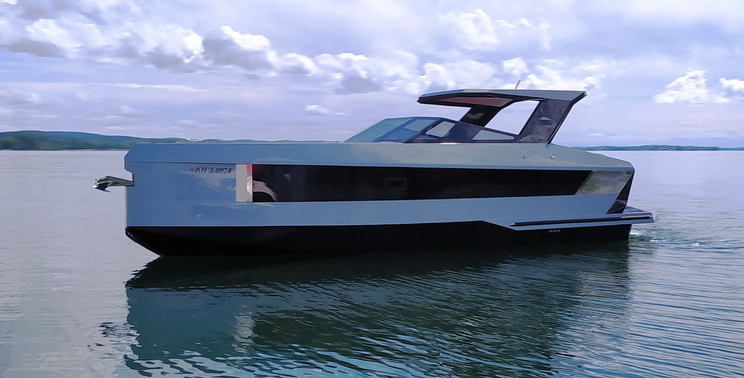

PRICE LIST 2026

FUTURO BOATS RX30

TECHNICAL DATA:

Hull length: | 9.50 m
Width: | 3.00 m
Weight: | from approx. 4,500 kg
Draft min/max: | approx. 0.5 m / 1.0 m
Fuel tank: | 330 l
Water tank: | 100 l
Max. allowed crew: | 10 Persons
Design Category: | C

STANDARD EQUIPMENT
CABIN
V-sofa with option to sleep 2 persons
Foldable table
Mirror (Version without TV)
Lockers and shelves
Radio, Speakers, Remote control
Lighting 12 V
Carpet
Window x 2
12V, 230V socket
Bed for 2 persons
Reading lights
Cushions
BATHROOM
Ceramic toilet
Sink with hot/cold water
Mirror
Mineral countertop
Lower set of lockers
Set of toilet accessories
Lighting 12V
Window
Separate shower room
Flexi teak
COCKPIT
Sun sofa and sittings
Captain seat
230V Shorepower socket
Cabin door with lock
Swimming platform with ladder
Steering wheel
Windshield
Cup holder
Waterproof speakers
Lighting 12V
Main electric switches
2 x Plotter 12"

ENGINE ROOM
Batteries
Engine room ventilation
Bilge pumps
Fuel tank
Water tank
Boiler
Fuel system
Water installation
Battery charger
Power cable
DECK
Steps to sun deck
Horn
Stainless steel cleats
Stainless steel rub rail
Navigation lights
Anchor with chain
Flexi teak
GALLEY
Set of lockers and shelvers
Mineral countertop
Sink with hot/cold water
Lighting 12V
Window
230V socket
 |  |  |  |  | TRUE

 |  |  |  |  | FALSE

 |  |  |  |  | TRUE
 |  |  |  |  | TRUE

FUTURO BOATS RX30

 |  | Price without Tax | OPTION | Selection
Volvo Penta 2 x V6 200 PS DPS CAT* | Single Prop | 333,335 € |  | 0 € | FALSE
Volvo Penta 2 x V6 200 PS DPS CAT* | Duo Prop | 338,775 € |  | 0 € | FALSE
Volvo Penta V8 300 PS DPS EVC CAT* | Duo Prop | 299,607 € |  | 0 € | FALSE
Volvo Penta V8 350 PS DPS EVC CAT | Duo Prop | 306,135 € |  | 0 € | FALSE
Volvo Penta V8 380 PS DPS EVC CAT | Duo Prop | 313,751 € |  | 0 € | FALSE
Volvo Penta V8 430 PS DPS EVC CAT | Duo Prop | 326,807 € |  | 0 € | FALSE
Volvo Penta D6 380 PS DPS EVC CAT | Duo Prop, Diesel | 370,327 € |  | 0 € | FALSE
Volvo Penta D6 400 PS DPS EVC CAT | Duo Prop, Diesel | 384,471 € |  | 0 € | FALSE
Volvo Penta D6 440 PS DPS EVC CAT | Duo Prop, Diesel | 397,527 € |  | 0 € | FALSE
* with lake constance approval
FUTURO BOATS RX30 |  |  |  |  | TRUE

Additional equipment |  | Price without Tax | OPTION | Selection
TV LED 24" in bow cabin |  | 1,730 € |  | 0 € | FALSE
Professional Audio HIFI System Fusion |  | 5,005 € |  | 0 € | FALSE
Refrigerator 12V in galley |  | 3,580 € |  | 0 € | FALSE
Electric toilet |  | 3,580 € |  | 0 € | FALSE
ZipWake Automatic Self Leveling Trim Tabs System |  | 5,387 € |  | 0 € | FALSE
Bow thruster |  | 5,864 € |  | 0 € | FALSE
Electric anchor winch |  | 5,875 € |  | 0 € | FALSE
Radio VHF with antenna |  | 2,056 € |  | 0 € | FALSE
Underwater lights (multicolor) |  | 2,056 € |  | 0 € | FALSE
Air conditioning system 230V |  | 10,054 € |  | 0 € | FALSE
Generator 3KW |  | 19,161 € |  | 0 € | FALSE
Antifouling |  | 4,010 € |  | 0 € | FALSE
Set of windows blinds |  | 2,165 € |  | 0 € | FALSE
Sun deck mattress |  | 1,992 € |  | 0 € | FALSE
T-Top |  | 27,092 € |  | 0 € | FALSE
Fridge in cockpit 20L |  | 1,950 € |  | 0 € | FALSE
Transport/Winter cover |  | 5,212 € |  | 0 € | FALSE
Hood in galley |  | 2,165 € |  | 0 € | FALSE
Additional fuel tank 100 L |  | 1,044 € |  | 0 € | FALSE
Further options available on request |  |  |  |  | FALSE
Retail Price without Tax, ex works Hilzingen |  |  |  | 0 €

Recommended retail price, delivery ex works. Subject to errors and changes. Valid until 31.01.2026
Our general terms and conditions apply.
MIZU GmbH - Weidgang 8-14 - 78247 Hilzingen - www.mizu-marine.de

